Sheet1
 |  | Document No. | Issue No. | Issue Date |  | Review and Replace Date |  | Authorised By
 |  | GFF424MC | 3 | 06.12.2023 |  | 06.02.2025 |  | Magda Shah
 |  | Document Title | GazeboTeriyaki Sauce 130g
Document amendments reason for change |  | Pot & Lid Product Code changed |  |  | Page 1 of 1 | Previous Issue Date | 11.03.2024 | Uncontrolled copy unless signed original

CVTYS-R9T | Gazebo |  | GazeboTeriyaki Sauce 130g
STEP 1 |  |  |  |  | STEP 2
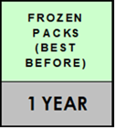 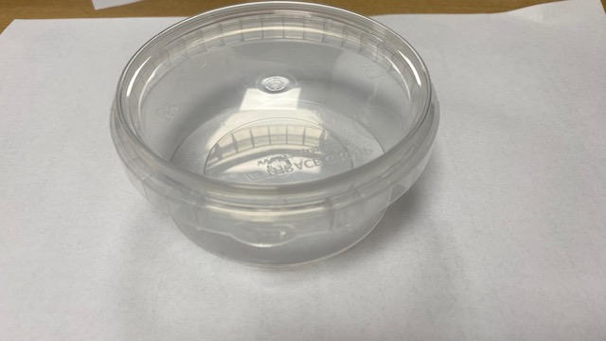 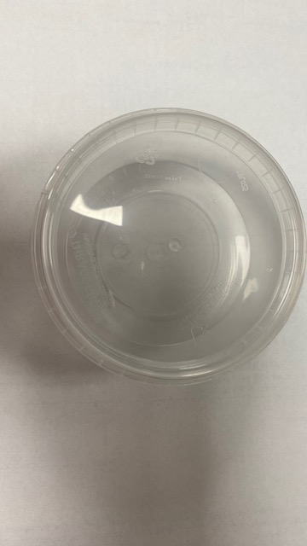 |  |  |  |  | 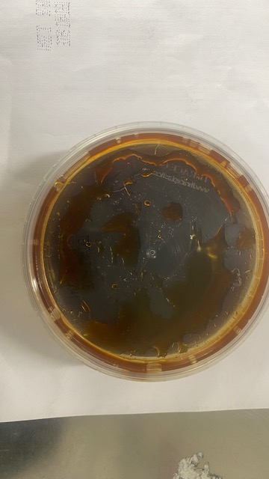

PACK + 1 YEAR

Cook & Defrost+ 18Days

Pot & Lid: 180ml Tamper Evident Container & Lid-PKSYS002-01 |  |  |  |  | Product :Teriyaki Sauce (GFF465R)-130g
TOTAL WEIGHT: 130 g

ALLERGY ALERT:Soya, Wheat, Sesame

